Project3832
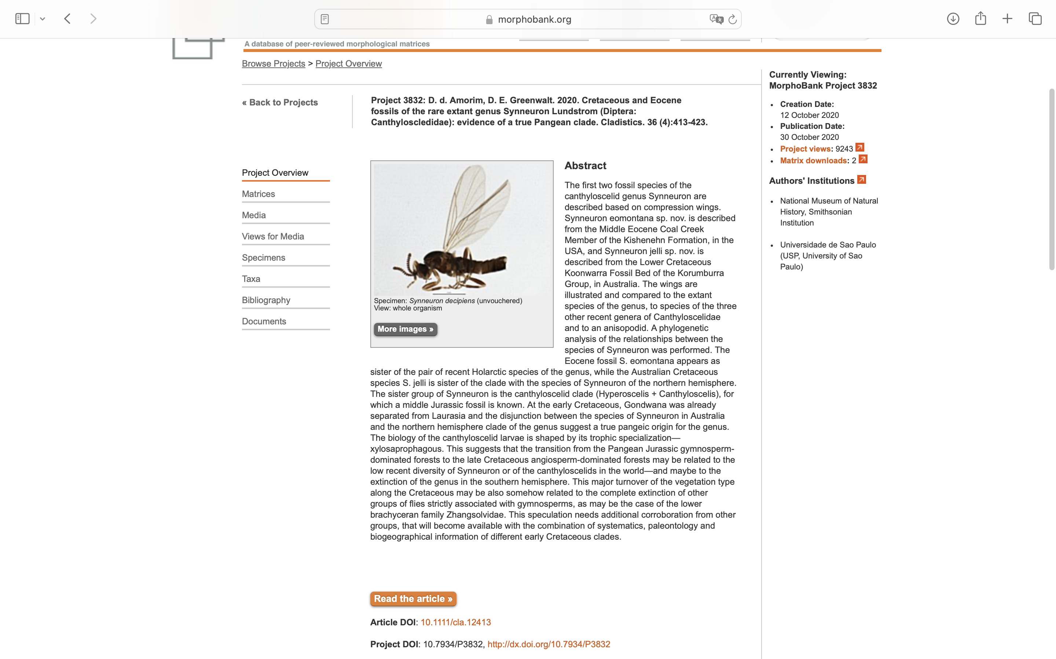
Charlabels | Character Pattern | Unseen States
[1] 'Sc' | Neomorphic | NO
[2] 'R1 length (beyond fusion with R4+5)' | Transformational | YES
[3] 'Cell r1' | Transformational | YES
[4] 'Basal section of Rs, prior to fusion of bM' | Transformational | YES
[5] 'R2+3' | Neomorphic | NO
[6] 'R1 and R4+5' | Neomorphic | NO
[7] 'R5' | Transformational | YES
[8] 'Vein bM' | Neomorphic | NO
[9] 'M1+2' | Transformational | YES
[10] 'M1' | Transformational | YES
[11] 'Base of M2' | Neomorphic | NO
[12] 'm-m' | Neomorphic | NO
[13] 'M3' | Neomorphic | NO
[14] 'Apex of M1, M2 and M4' | Transformational | YES
[15] 'Origin of M4' | Transformational | YES
[16] 'Posterior veins' | Transformational | YES
[17] 'Alignment of veins bM/m-cu' | Transformational | YES
[18] 'CuP' | Neomorphic | NO
[19] 'Anal lobe' | Neomorphic | NO
[20] 'M3+4' | Transformational | YES
[21] 'Cubital pseudovein' | Neomorphic | NO
[22] 'CuP - 2' | Transformational | YES
[23] 'Membrane' | Transformational | YES
[24] 'Sternite 9' | Transformational | YES
[25] 'Surstyli' | Transformational | YES
[26] 'Tibial spurs' | Neomorphic | NO
[27] 'Median ocellus' | Neomorphic | NO

